Axial Jet Fans
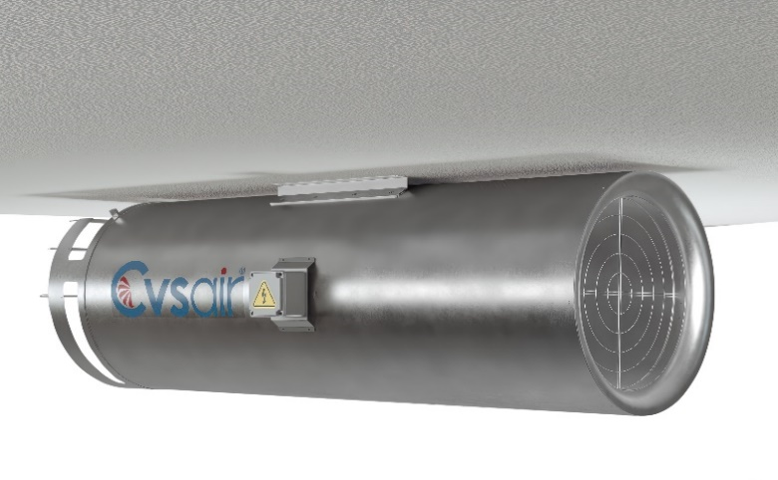
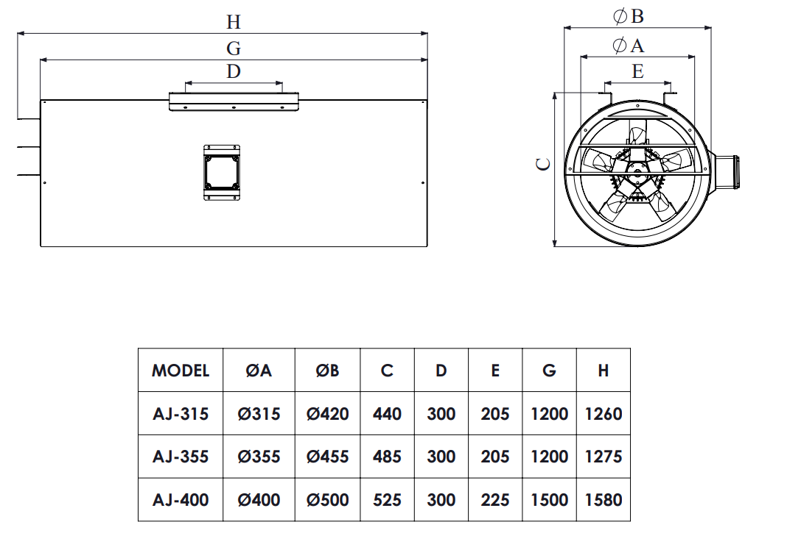
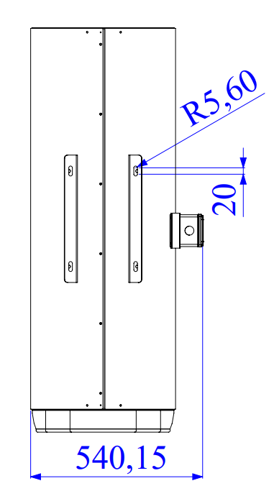

Brand: Cvsair
Model: CVS-AJ - (Model Number)
Product Range: Axial Jet Fan

Radial Jet Fans
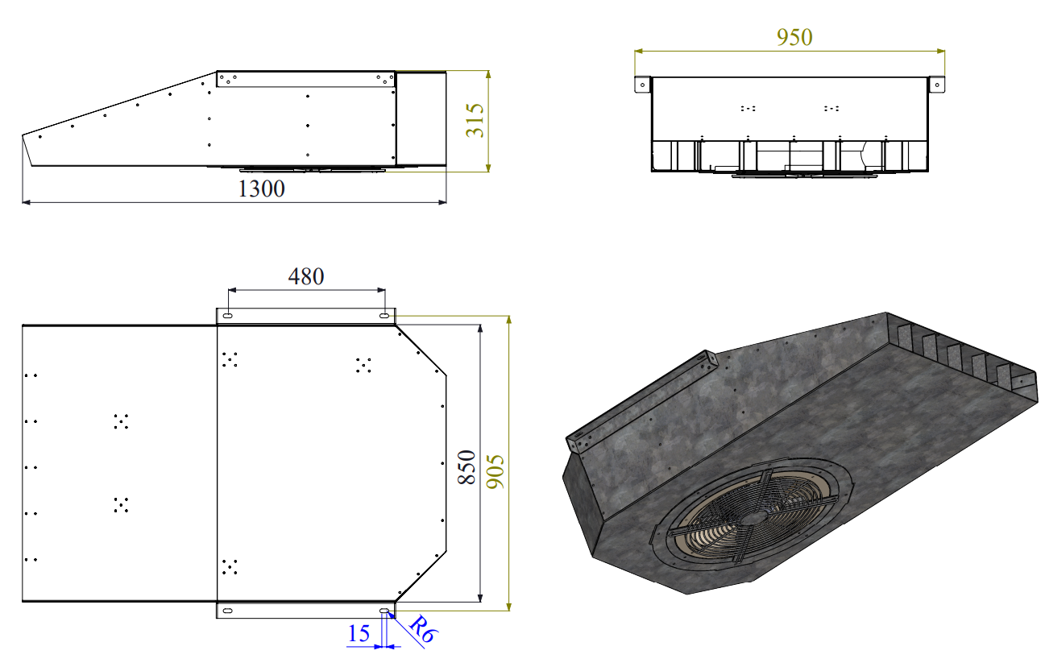

Brand: Cvsair
Model: CVS-RJ - 60
Product Range: Radial Jet Fan

Horizontal Roof Fans-RH
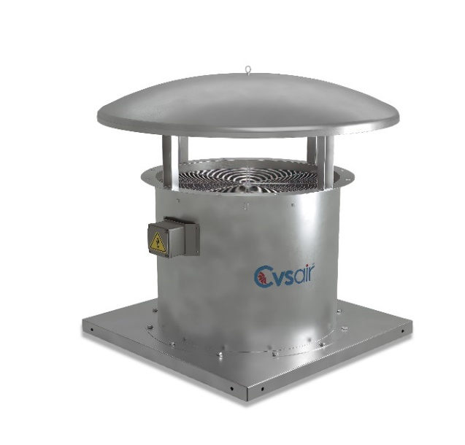
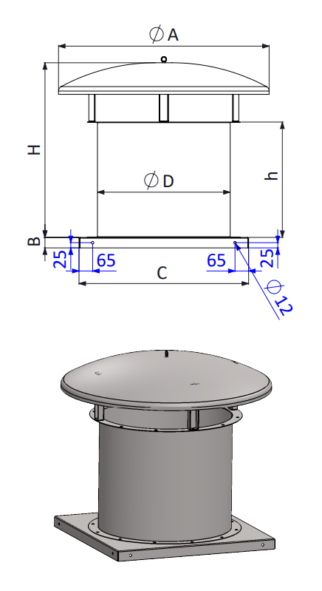

 | MODEL | ØA | B | C | ØD | h | H
 | RH-Ø315 | Ø500 | 50 | 465 | 315 | 400 | 560
 | RH-Ø355 | Ø560 | 50 | 500 | 355 | 400 | 725
 | RH-Ø400 | Ø630 | 50 | 565 | 400 | 520 | 700
 | RH-Ø450 | Ø710 | 50 | 615 | 450 | 520 | 700
 | RH-Ø500 | Ø800 | 50 | 675 | 500 | 520 | 760
 | RH-Ø560 | Ø900 | 50 | 735 | 560 | 520 | 760
 | RH-Ø630 | Ø1000 | 50 | 810 | 630 | 705 | 985
 | RH-Ø710 | Ø1120 | 50 | 900 | 710 | 705 | 985
 | RH-Ø800 | Ø1250 | 50 | 980 | 800 | 705 | 1080
 | RH-Ø900 | Ø1400 | 50 | 1100 | 900 | 810 | 1185
 | RH-Ø1000 | Ø1400 | 50 | 1200 | 1000 | 810 | 1200
 | RH-Ø1120 | Ø1600 | 50 | 1325 | 1120 | 915 | 1340
 | RH-Ø1250 | Ø1800 | 50 | 1400 | 1250 | 915 | 1350

Brand: Cvsair
Model: CVS-RH - (Model Number)
Product Range: Horizontal Roof Fan

Vertical Roof Fans-RV
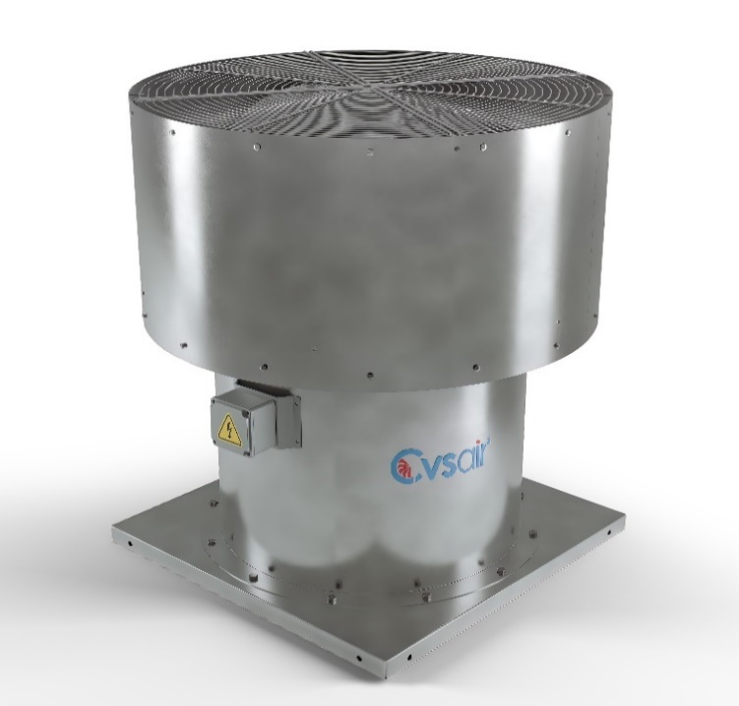
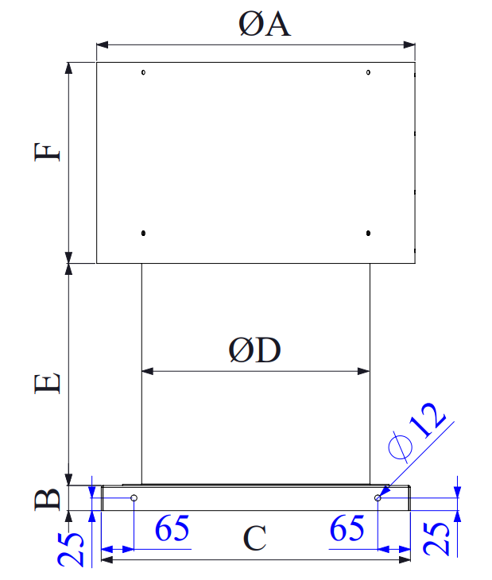
 | MODEL | ØA | B | C | ØD | E | F
 | RV-Ø315 | Ø450 | 50 | 465 | 315 | 300 | 300
 | RV-Ø355 | Ø500 | 50 | 500 | 355 | 300 | 300
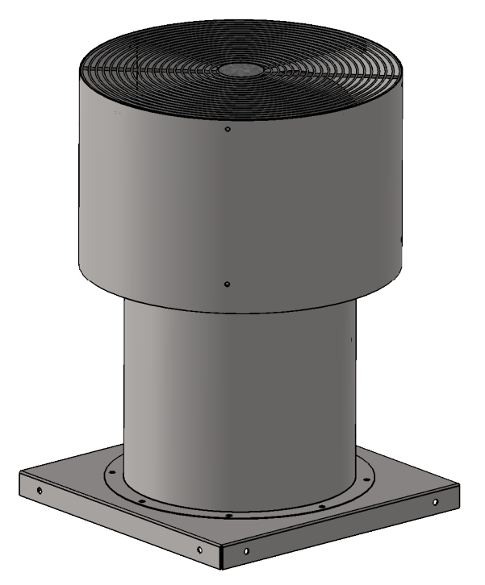
 | RV-Ø400 | Ø560 | 50 | 565 | 400 | 440 | 350
 | RV-Ø450 | Ø630 | 50 | 615 | 450 | 440 | 400
 | RV-Ø500 | Ø710 | 50 | 675 | 500 | 420 | 400
 | RV-Ø560 | Ø800 | 50 | 735 | 560 | 420 | 450
 | RV-Ø630 | Ø900 | 50 | 810 | 630 | 590 | 550
Brand: Cvsair | RV-Ø710 | Ø900 | 50 | 900 | 710 | 590 | 600
Model: CVS-RV - (Model Number) | RV-Ø800 | Ø1000 | 50 | 980 | 800 | 590 | 600
Product Range: Vertical Roof Fan | RV-Ø900 | Ø1120 | 50 | 1100 | 900 | 590 | 600
 | RV-Ø1000 | Ø1250 | 50 | 1200 | 1000 | 700 | 700
 | RV-Ø1120 | Ø1400 | 50 | 1325 | 1120 | 740 | 800
 | RV-Ø1250 | Ø1500 | 50 | 1400 | 1250 | 740 | 800

Cabinet Plug Fans-BOX
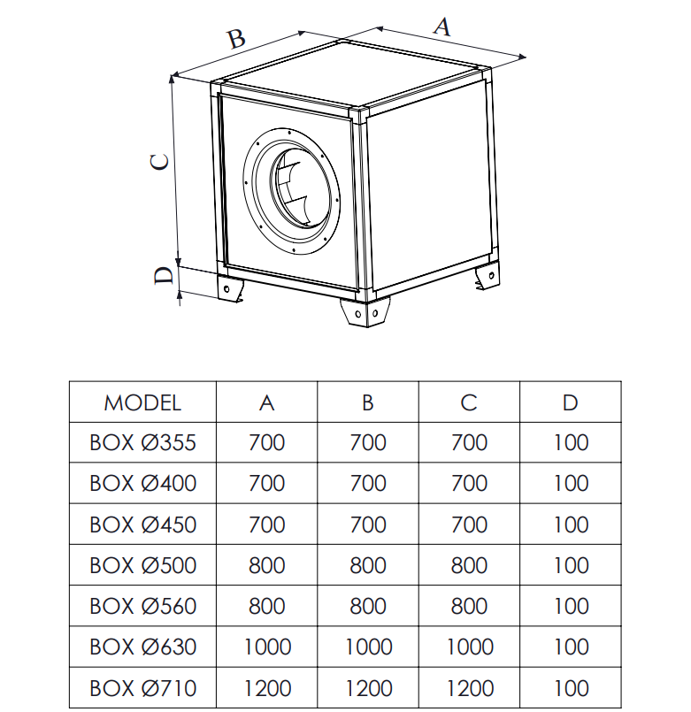
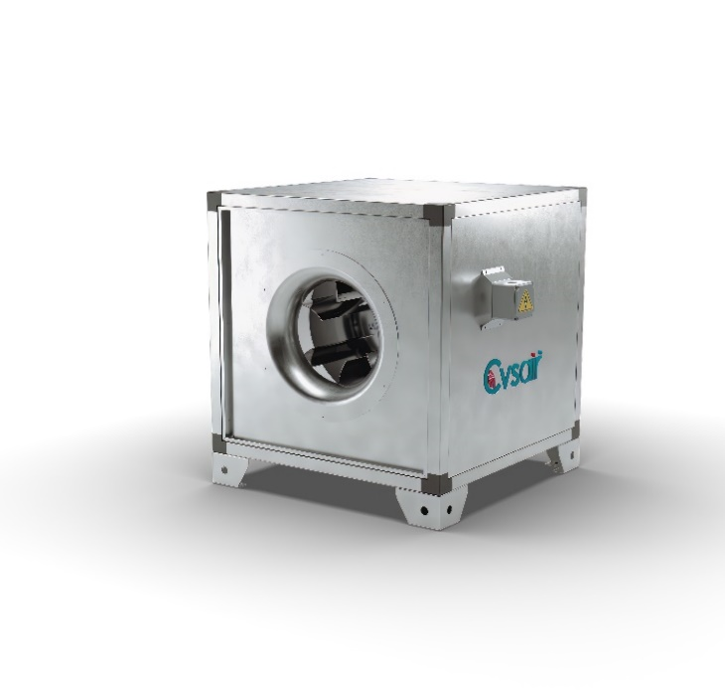

Brand: Cvsair
Model: CVS -BOX (Model Number)
Product Range: Cabinet Plug Fans - BOX

Cabinet Kitchen Fans-BOX K
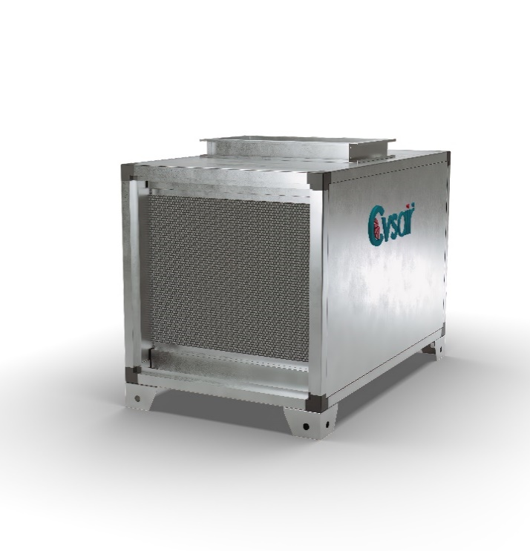
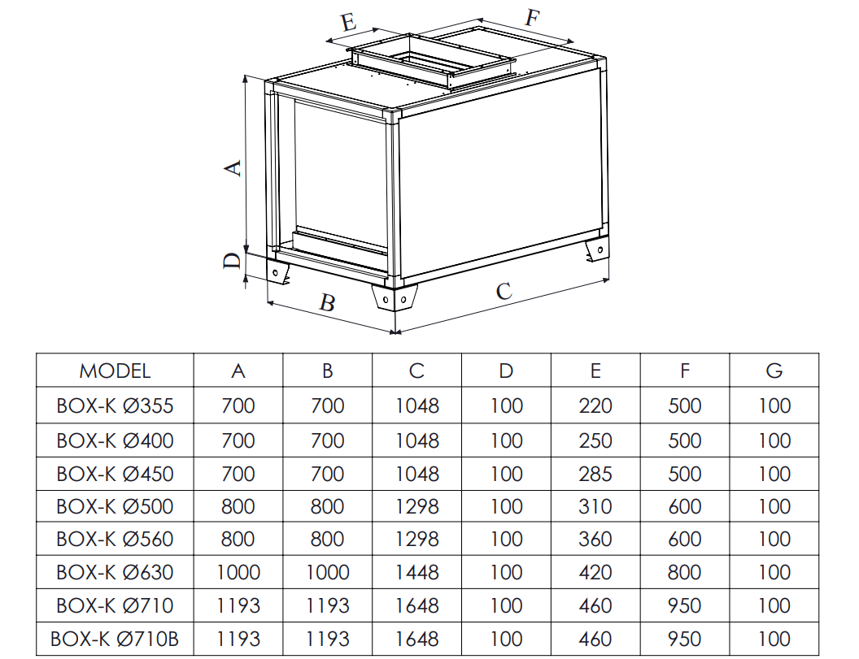

Brand: Cvsair
Model: CVS -BOX-K (Model Number)
Product Range: Cabinet Kitchen Fans - BOX-K

Cabinet Axial Fans-H
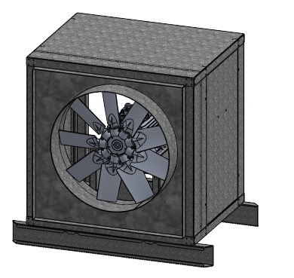
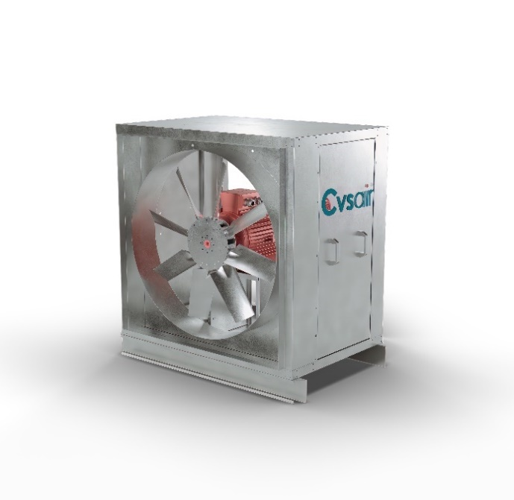
MODEL | ØD | H | H2 | W | W2 | L | L2 | S
CVS-H-Ø315 | 315 | 500 | 400 | 460 | 400 | 650 | 500 | 120
CVS-H-Ø355 | 355 | 500 | 400 | 460 | 400 | 650 | 500 | 120
CVS-H-Ø400 | 400 | 600 | 500 | 585 | 500 | 750 | 600 | 120
CVS-H-Ø450 | 450 | 600 | 500 | 585 | 500 | 750 | 600 | 120
CVS-H-Ø500 | 500 | 750 | 650 | 685 | 600 | 950 | 600 | 120
CVS-H-Ø560 | 560 | 750 | 650 | 685 | 600 | 950 | 600 | 120
CVS-H-Ø630 | 630 | 850 | 750 | 835 | 750 | 1050 | 850 | 120
CVS-H-Ø710 | 710 | 1000 | 900 | 885 | 800 | 1200 | 1000 | 120
CVS-H-Ø800 | 800 | 1000 | 900 | 885 | 800 | 1200 | 1000 | 120
CVS-H-Ø900 | 900 | 1200 | 1100 | 885 | 800 | 1400 | 1200 | 120
CVS-H-Ø1000 | 1000 | 1200 | 1100 | 885 | 800 | 1400 | 1200 | 120
CVS-H-Ø1120 | 1120 | 1400 | 1300 | 985 | 900 | 1600 | 1400 | 120
CVS-H-Ø1250 | 1250 | 1400 | 1300 | 985 | 900 | 1600 | 1400 | 120
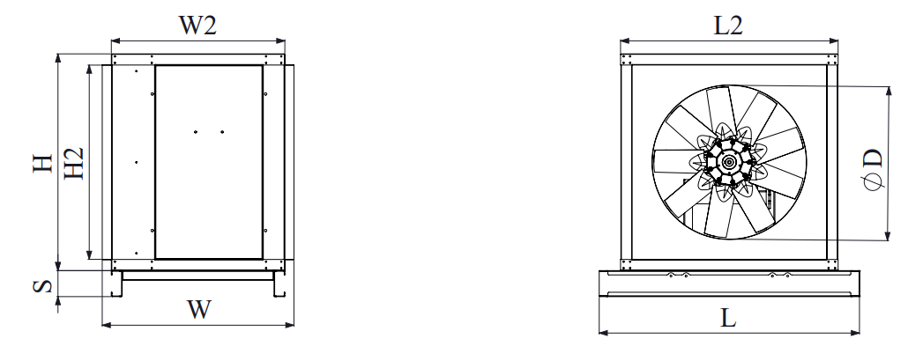

 |  |  |  | Brand: Cvsair
 |  |  |  | Model: CVS -H (Model Number)
 |  |  |  | Product Range: Cabinet Axial Fans

Axial Fans Bifurcated-BF
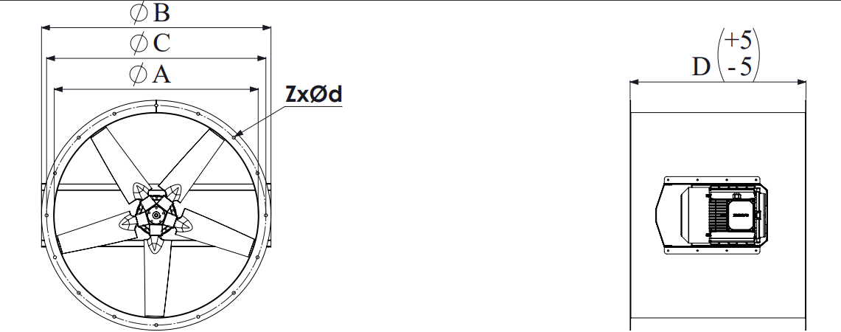
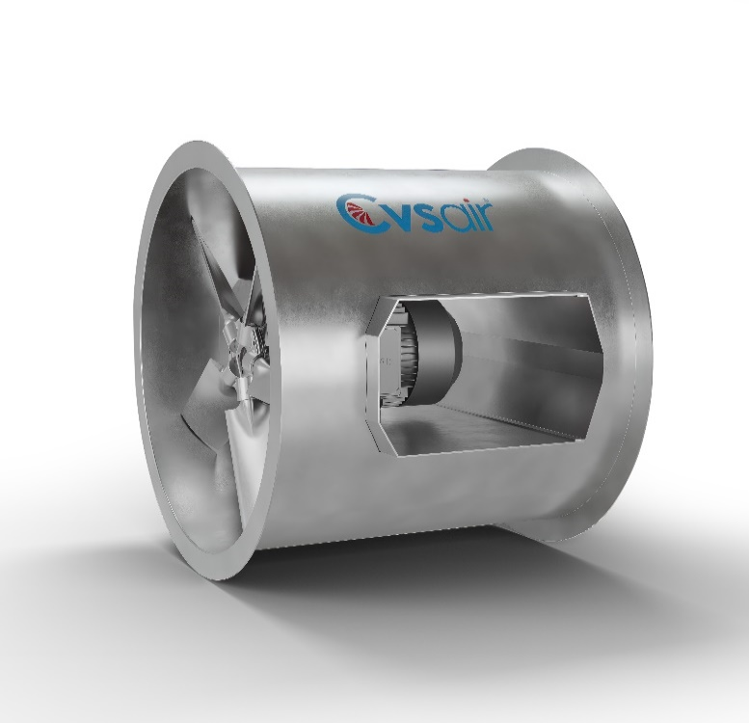
MODEL | ØA | ØB | ØC | D | Z X ØD
BF-Ø315 | 315 | 395 | 355 | 400 | 8 X 12
BF-Ø355 | 355 | 435 | 395 | 400 | 8 X 12
BF-Ø400 | 400 | 480 | 450 | 520 | 8 X 12
BF-Ø450 | 450 | 530 | 500 | 520 | 8 X 12
BF-Ø500 | 500 | 600 | 560 | 520 | 12 X 12
BF-Ø560 | 560 | 660 | 620 | 520 | 12 X 14
BF-Ø630 | 630 | 730 | 690 | 705 | 12 X 14
BF-Ø710 | 710 | 810 | 770 | 705 | 16 X 14
BF-Ø800 | 800 | 900 | 860 | 705 | 16 X 14
BF-Ø900 | 900 | 1000 | 970 | 810 | 16 X 15
BF-Ø1000 | 1000 | 1100 | 1070 | 810 | 16 X 15
BF-Ø1120 | 1120 | 1220 | 1190 | 915 | 20 X 15
BF-Ø1250 | 1250 | 1370 | 1320 | 915 | 20 X 15
BF-Ø1400 | 1400 | 1520 | 1470 | 1100 | 20 X 15

 |  |  |  |  | Brand: Cvsair
 |  |  |  |  | Model: CVS -BF- (Model Number)
 |  |  |  |  | Product Range: Bifurcated Axial Fans

